Post-Consumer Recycled
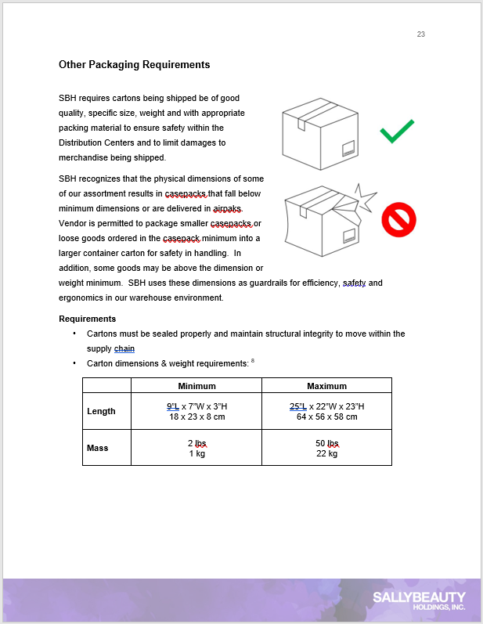
PCR (Post-Consumer Recycled Content) Product Classifications
PCR CLASS | Class Name | Class Description
EXP | Exempted product | Product or packaging is not regulated in US or Canada for post-consumer recycled material content.
PPC | Plastic Personal Care Product | Personal care product/cosmetic in a bottle, jug, tube, jar or other rigid container with a neck or mouth narrower than the base that has a fluid capacity over 8 fl. Oz. and up to 5 gallons, capable of maintaining its shape when empty, non-refillable and non-resuable. Does not include OTCs, dietary supplements, pesticides or medical devices.
MBP | Plastic Personal Care Product (Mass balance compliant) | Plastic Personal Care Product that is compliant with current rules based on the mass balance of PCR across the producer's covered products.
PHC | Plastic Household Cleaning Product | Household cleaning product in a bottle, jug, tube, jar, or other rigid container with a neck or mouth narrower than the base that has a fluid capacity over 8 fl. Oz. and up to 5 gallons, capable of maintaining its shape when empty, non-refillable and non-resuable. Does not include disinfectants or other pesticides. Includes pet cleaning products.
PDP | Plastic Disinfectant Product | Disinfectant or other federally regulated pesticide product in a bottle, jug, tube, jar, or other rigid container with a neck or mouth narrower than the base that has a fluid capacity over 8 fl. Oz. and up to 5 gallons, capable of maintaining its shape when empty, non-refillable and non-resuable.
PGP | Plastic General Use Product | General use product in a bottle, jug, or other rigid container with a neck or mouth narrower than the base that has a fluid capacity over 8 fl. Oz. and up to 5 gallons, capable of maintaining its shape when empty, non-refillable and non-resuable. Does not include OTCs, medical devices, cosmetics, household cleaning products or pesticides.
PBV | Plastic beverage containers | Plastic container containing a beverage product.
FPP | Flexible plastic packaging | Plastic packaging designed to change shape under tension or heat, including shrink film, stretch film, bags, pouches, sachets, non-rigid tubes, and flexible foam.
RPB | Reusable plastic shopping bags | Reusable shopping bag made of plastic film, certified recyclable and reusable, has a handle and designed for at leat 125 uses, at least 15 L capacity, machine washable or capable of being cleaned and disinfected. 2.25 ml minimum thickness.
SPB | Single-use Plastic carryout bags | A bag made of plastic of any thickness, whether woven or nonwoven that is sold or provided by a store to a customer for the purpose of containing, carrying, and transporting food, beverages, or retail goods.
PCB | Paper carryout bag | A bag made of paper that is sold or provided by a store to a customer for the purpose of containing, carrying, and transporting food, beverages, or retail goods.
PTB | Plastic Trash Bag | A bag that is made of noncompostable plastic, is at least 0.70 mils thick, and is designed and manufactured for use as a container to hold, store, or transport materials to be discarded or recycled, and includes, but is not limited to, a garbage bag, recycling bag, lawn or leaf bag, can liner bag, kitchen bag, or compactor bag.
GFB | Glass Food or Beverage Product | A container made of glass that is filled with a food or beverage
NPP | Newsprint | Paper that meets the specifications for Standard Newsprint Paper and Roto Newsprint Paper as set forth in the current edition of the Harmonized Tariff Schedule of the United States for such products.

